Cover sheet
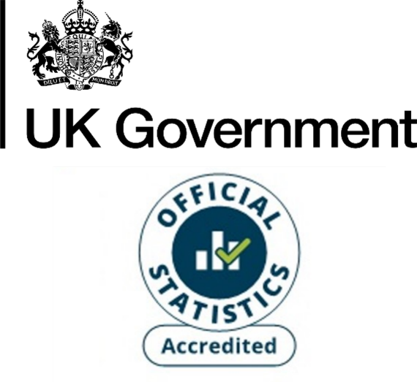
Domestic electricity consumption by Lower Layer Super Output Area (LSOA), Great Britain, 2010 - 2024
This workbook presents Accredited Official Statistics on domestic electricity consumption by Lower Layer Super Output Area (LSOA) in Great Britain. This includes Data Zones (Scotland's equivalent of LSOAs). The data tables for the years 2015 onwards are based on the latest available Census geographies for England and Wales (2021) and Scotland (2022). The data tables for earlier years are based on the 2011 Census geographies.
These statistics should not be aggregated to local authority, regional or country level (reasons for discrepancies between the various geographical levels are discussed in the Subnational energy statistics methodology note). Users should use:
Regional and local authority electricity consumption tables
The electricity consumption years used in these statistics cover two slightly different periods. Half-hourly data (generally higher-consuming non-domestic meters) covers consumption over the calendar year (January to December). For Non-half hourly data (almost all domestic and the vast majority of non-domestic meters) the electricity years cover the months February to January (for example the 2024 electricity year was February 2024 to January 2025).
Contents
Following this Cover sheet this workbook contains the electricity consumption estimates which are presented in the form of one sheet for each of the years 2010 - 2024.
Publication dates
Publication date: 18 December 2025
Next update: December 2026
Revisions
The statistics for the years 2015 onwards are revised each year to reflect additional/new information acquired. This includes:
- Updates to the National Statistics Postcodes Lookup (NSPL), which is used to match postcodes to LSOAs. These updates reflect changes to postcodes. The latest version of the NSPL is used for each year for 2015 onwards for consistency across the time series.
- Updates to the meter address information resulting in corrections and updates to postcodes. The most recent valid postcode information for each meter is used across all years for 2015 onwards for consistency across the time series.
- Additional information gathered about earlier years, from investigating anomalous year-on-year changes in consumption.
Methodology
These figures are based on meter level electricity consumption data provided by data aggregators (who compile this data behalf of electricity suppliers).
Electricity data is divided between domestic and non-domestic categories according to the meter’s profile class. Domestic consumption is based on Non-Half Hourly (NHH) meters with profiles 1 and 2 (these are the standard domestic and economy 7 tariffs respectively). Non-domestic consumption is based on NHH meters with profiles 3 to 8 and all Half-Hourly meters. In addition, profile 1 and 2 meters are re-allocated to the non-domestic sector if their annual consumption is greater than 100,000 kWh; or if their annual consumption is greater than 50,000 kWh and the address information for meter suggests that it is non-domestic.
For more information about these electricity consumption statistics, see Section 3 of:
Subnational energy statistics methodology note
Units
The figures for average (mean and median) electricity consumption per meter point are presented in kilowatt hours (kWh).
The figures for total electricity consumption in this workbook are presented in kWh, while the consumption totals for countries, regions and local authorities published in the regional and local authority electricity consumption tables are presented in the gigawatt hours (GWh). 1GWh = 1 million kWh.
Elsewhere, energy consumption statistics are often presented in kilotonnes of oil equivalent (ktoe). 1 ktoe = 11.63 GWh.
No data provided
Where no figures are provided for a given LSOA this is because no domestic electricity meters were allocated to the LSOA. The possible reasons for this are:
- No domestic electricity meters had postcodes which could be matched to the LSOA in question. This includes LSOAs which had no domestic properties.
- Any domestic electricity meters matched to the given LSOA were re-allocated to the "Unallocated" row for disclosure control reasons (e.g. if there were fewer than 5 meters matched to the LSOA) or due to data quality issues (see the accompanying methodology note, Section 3.2) with the domestic electricity data for the LSOA in question.
Subnational energy consumption publications
Subnational electricity consumption in Great Britain
Subnational gas consumption in Great Britain
Subnational road transport consumption in the UK
Subnational residual fuel consumption in the UK (non-electricity, non-gas, non-road transport)
Subnational total final consumption for the UK (aggregating consumption from across the other publications)
Contact details
Responsible statistician: Hiten Shah
energyefficiency.stats@energysecurity.gov.uk
newsdesk@energysecurity.gov.uk

